believe I reported this
 |  |  |  |  |  |  |  |  |  |  |  | I pulled this sheet from my Desktop This is what I believe I reported to Raju in

Java Src #s | NAME | VERSION | LOC | TECHNICAL DEBT | LAST ANALYSIS | COVERAGE | CONDITION COVERAGE | BLOCKER ISSUES | CRITICAL ISSUES | MAJOR ISSUES | MINOR ISSUES
85 | Mur Scheduler Payments | 1 | 1,144 | 20min | Feb 19 2016 | 94.1% | 93.1% | 0 | 0 | 0 | 0
 | Mur Web Core UI | 1 | 2,630 | 0 | Feb 24 2016 | 94.8% | 92.1% | 0 | 0 | 0 | 0
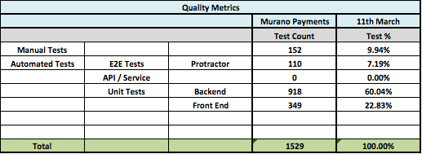
 | Mur Web Payment | 1 | 4,350 | 1h 50min | Feb 24 2016 | 93.6% | 80.8% | 0 | 0 | 3 | 0
264 | Mur Service Payments | 1 | 2,645 | 1h 12min | Feb 24 2016 | 93.1% | 93.1% | 0 | 0 | 1 | 5
85 | Mur Entitlement Service | 1 | 951 | 50min | Feb 18 2016 | 86.2% | 85.7% | 0 | 0 | 2 | 0
50 | Mur Service Accounts | 1 | 710 | 10min | Feb 22 2016 | 89.2% | 79.2% | 0 | 0 | 2 | 0
18 | Mur Svc Lib - Exception | 1 | 172 | 0 | Feb 23 2016 | 93.3% | 90.0% | 0 | 0 | 0 | 0
36 | Mur Svc Lib - Logger | 1 | 195 | 0 | Feb 23 2016 | 98.6% | 100.0% | 0 | 0 | 0 | 0
48 | Mur Svc Lib - DBConnector | 1 | 287 | 0 | Feb 23 2016 | 94.2% | 97.2% | 0 | 0 | 0 | 0
115 | Mur Svc Lib - Http Client | 1 | 747 | 1h 25min | Feb 23 2016 | 96.4% | 92.7% | 0 | 0 | 0 | 3
13 | Mur Svc Lib - Mappers | 1 | 218 | 0 | Feb 23 2016 | 99.1% | 92.9% | 0 | 0 | 0 | 0
31 | Mur Svc Lib - Monitoring | 1 | 377 | 1h 30min | Feb 23 2016 | 77.0% | 51.7% | 0 | 0 | 1 | 0
52 | Mur Svc Lib - Auth | 1 | 403 | 8min | Feb 23 2016 | 96.9% | 98.2% | 0 | 0 | 0 | 1
797 | 13 results

